D Free
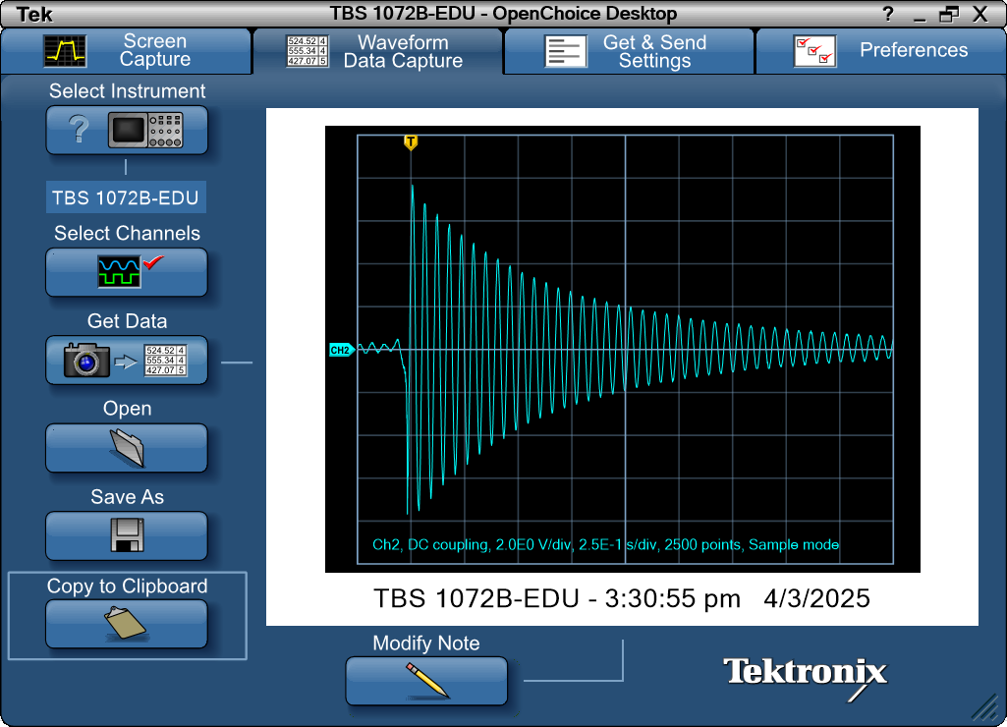
Record Length | 2500 | Points | -0.25 | 0.08
Sample Interval | 0.001 | s | -0.249 | 0.16
Trigger Point | 249.999988 | Samples | -0.248 | 0.16
 |  |  | -0.247 | 0.16
 |  |  | -0.246 | 0.16
 |  |  | -0.245 | 0.16
Source | CH2 |  | -0.244 | 0.16
Vertical Units | Volts |  | -0.243 | 0.24
Vertical Scale | 2 |  | -0.242 | 0.24
Vertical Offset | 0 |  | -0.241 | 0.24
Horizontal Units | s |  | -0.24 | 0.24
Horizontal Scale | 2.50E-01 |  | -0.239 | 0.24
Pt Fmt | Y |  | -0.238 | 0.24
Yzero | 0 |  | -0.237 | 0.24
Probe Atten | 10 |  | -0.236 | 0.24
 |  |  | -0.235 | 0.24
Note | TBS 1072B-EDU - 3:30:55 pm 4/3/2025 |  | -0.234 | 0.24
 |  |  | -0.233 | 0.24
 |  |  | -0.232 | 0.16
 |  |  | -0.231 | 0.16
 |  |  | -0.23 | 0.16
 |  |  | -0.229 | 0.08
 |  |  | -0.228 | 0.08
 |  |  | -0.227 | 0.08
 |  |  | -0.226 | 0.08
 |  |  | -0.225 | 0.08
 |  |  | -0.224 | 0
 |  |  | -0.223 | 0
 |  |  | -0.222 | 0
 |  |  | -0.221 | 0
 |  |  | -0.22 | -0.08
 |  |  | -0.219 | -0.08
 |  |  | -0.218 | -0.08
 |  |  | -0.217 | -0.16
 |  |  | -0.216 | -0.16
 |  |  | -0.215 | -0.16
 |  |  | -0.214 | -0.16
 |  |  | -0.213 | -0.16
 |  |  | -0.212 | -0.16
 |  |  | -0.211 | -0.16
 |  |  | -0.21 | -0.16
 |  |  | -0.209 | -0.16
 |  |  | -0.208 | -0.16
 |  |  | -0.207 | -0.16
 |  |  | -0.206 | -0.16
 |  |  | -0.205 | -0.16
 |  |  | -0.204 | -0.08
 |  |  | -0.203 | -0.08
 |  |  | -0.202 | -0.08
 |  |  | -0.201 | -0.08
 |  |  | -0.2 | 0
 |  |  | -0.199 | 0
 |  |  | -0.198 | 0
 |  |  | -0.197 | 0.08
 |  |  | -0.196 | 0.08
 |  |  | -0.195 | 0.08
 |  |  | -0.194 | 0.16
 |  |  | -0.193 | 0.16
 |  |  | -0.192 | 0.16
 |  |  | -0.191 | 0.16
 |  |  | -0.19 | 0.24
 |  |  | -0.189 | 0.24
 |  |  | -0.188 | 0.24
 |  |  | -0.187 | 0.24
 |  |  | -0.186 | 0.24
 |  |  | -0.185 | 0.32
 |  |  | -0.184 | 0.32
 |  |  | -0.183 | 0.32
 |  |  | -0.182 | 0.32
 |  |  | -0.181 | 0.32
 |  |  | -0.18 | 0.32
 |  |  | -0.179 | 0.24
 |  |  | -0.178 | 0.32
 |  |  | -0.177 | 0.32
 |  |  | -0.176 | 0.24
 |  |  | -0.175 | 0.24
 |  |  | -0.174 | 0.24
 |  |  | -0.173 | 0.16
 |  |  | -0.172 | 0.16
 |  |  | -0.171 | 0.16
 |  |  | -0.17 | 0.16
 |  |  | -0.169 | 0.16
 |  |  | -0.168 | 0.08
 |  |  | -0.167 | 0.08
 |  |  | -0.166 | 0
 |  |  | -0.165 | 0
 |  |  | -0.164 | 0
 |  |  | -0.163 | 0
 |  |  | -0.162 | 0
 |  |  | -0.161 | -0.08
 |  |  | -0.16 | -0.08
 |  |  | -0.159 | 0
 |  |  | -0.158 | -0.08
 |  |  | -0.157 | -0.08
 |  |  | -0.156 | -0.16
 |  |  | -0.155 | -0.08
 |  |  | -0.154 | -0.08
 |  |  | -0.153 | -0.08
 |  |  | -0.152 | -0.16
 |  |  | -0.151 | -0.08
 |  |  | -0.15 | -0.08
 |  |  | -0.149 | -0.08
 |  |  | -0.148 | -0.08
 |  |  | -0.147 | -0.08
 |  |  | -0.146 | -0.08
 |  |  | -0.145 | -0.08
 |  |  | -0.144 | 0
 |  |  | -0.143 | 0
 |  |  | -0.142 | 0
 |  |  | -0.141 | 0.08
 |  |  | -0.14 | 0.08
 |  |  | -0.139 | 0.08
 |  |  | -0.138 | 0.08
 |  |  | -0.137 | 0.08
 |  |  | -0.136 | 0.08
 |  |  | -0.135 | 0.16
 |  |  | -0.134 | 0.16
 |  |  | -0.133 | 0.16
 |  |  | -0.132 | 0.24
 |  |  | -0.131 | 0.16
 |  |  | -0.13 | 0.24
 |  |  | -0.129 | 0.24
 |  |  | -0.128 | 0.24
 |  |  | -0.127 | 0.24
 |  |  | -0.126 | 0.24
 |  |  | -0.125 | 0.24
 |  |  | -0.124 | 0.24
 |  |  | -0.123 | 0.24
 |  |  | -0.122 | 0.24
 |  |  | -0.121 | 0.24
 |  |  | -0.12 | 0.24
 |  |  | -0.119 | 0.24
 |  |  | -0.118 | 0.16
 |  |  | -0.117 | 0.16
 |  |  | -0.116 | 0.16
 |  |  | -0.115 | 0.16
 |  |  | -0.114 | 0.16
 |  |  | -0.113 | 0.16
 |  |  | -0.112 | 0.16
 |  |  | -0.111 | 0.08
 |  |  | -0.11 | 0.08
 |  |  | -0.109 | 0.08
 |  |  | -0.108 | 0.08
 |  |  | -0.107 | 0.08
 |  |  | -0.106 | 0.08
 |  |  | -0.105 | 0.08
 |  |  | -0.104 | 0
 |  |  | -0.103 | 0
 |  |  | -0.102 | 0
 |  |  | -0.101 | 0
 |  |  | -0.1 | 0
 |  |  | -0.099 | 0
 |  |  | -0.098 | -0.08
 |  |  | -0.097 | -0.08
 |  |  | -0.096 | -0.08
 |  |  | -0.095 | -0.08
 |  |  | -0.094 | 0
 |  |  | -0.093 | 0
 |  |  | -0.092 | 0
 |  |  | -0.091 | -0.08
 |  |  | -0.09 | 0
 |  |  | -0.089 | 0
 |  |  | -0.088 | 0
 |  |  | -0.087 | 0
 |  |  | -0.086 | 0.08
 |  |  | -0.085 | 0.08
 |  |  | -0.084 | 0.08
 |  |  | -0.083 | 0.08
 |  |  | -0.082 | 0.08
 |  |  | -0.081 | 0.08
 |  |  | -0.08 | 0.16
 |  |  | -0.079 | 0.16
 |  |  | -0.078 | 0.16
 |  |  | -0.077 | 0.16
 |  |  | -0.076 | 0.16
 |  |  | -0.075 | 0.24
 |  |  | -0.074 | 0.24
 |  |  | -0.073 | 0.32
 |  |  | -0.072 | 0.32
 |  |  | -0.071 | 0.32
 |  |  | -0.07 | 0.32
 |  |  | -0.069 | 0.4
 |  |  | -0.068 | 0.4
 |  |  | -0.067 | 0.4
 |  |  | -0.066 | 0.4
 |  |  | -0.065 | 0.48
 |  |  | -0.064 | 0.48
 |  |  | -0.063 | 0.48
 |  |  | -0.062 | 0.48
 |  |  | -0.061 | 0.4
 |  |  | -0.06 | 0.48
 |  |  | -0.059 | 0.4
 |  |  | -0.058 | 0.4
 |  |  | -0.057 | 0.32
 |  |  | -0.056 | 0.24
 |  |  | -0.055 | 0.24
 |  |  | -0.054 | 0.16
 |  |  | -0.053 | 0.08
 |  |  | -0.052 | 0.08
 |  |  | -0.051 | 0
 |  |  | -0.05 | -0.08
 |  |  | -0.049 | -0.16
 |  |  | -0.048 | -0.16
 |  |  | -0.047 | -0.24
 |  |  | -0.046 | -0.24
 |  |  | -0.045 | -0.4
 |  |  | -0.044 | -0.4
 |  |  | -0.043 | -0.48
 |  |  | -0.042 | -0.4
 |  |  | -0.041 | -0.56
 |  |  | -0.04 | -0.56
 |  |  | -0.039 | -0.72
 |  |  | -0.038 | -0.72
 |  |  | -0.037 | -0.72
 |  |  | -0.036 | -0.72
 |  |  | -0.035 | -0.88
 |  |  | -0.034 | -0.8
 |  |  | -0.033 | -0.88
 |  |  | -0.032 | -0.88
 |  |  | -0.031 | -0.8
 |  |  | -0.03 | -0.88
 |  |  | -0.029 | -1.12
 |  |  | -0.028 | -1.12
 |  |  | -0.027 | -1.04
 |  |  | -0.026 | -1.04
 |  |  | -0.025 | -1.52
 |  |  | -0.024 | -1.36
 |  |  | -0.023 | -1.6
 |  |  | -0.022 | -1.76
 |  |  | -0.021 | -2.24
 |  |  | -0.02 | -3.2
 |  |  | -0.019 | -3.04
 |  |  | -0.018 | -4.32
 |  |  | -0.017 | -7.68
 |  |  | -0.016 | -6.56
 |  |  | -0.015 | -5.92
 |  |  | -0.014 | -5.92
 |  |  | -0.013 | -5.76
 |  |  | -0.012 | -4.96
 |  |  | -0.011 | -3.68
 |  |  | -0.00999999 | -2.48
 |  |  | -0.00899999 | -1.76
 |  |  | -0.00799999 | -1.44
 |  |  | -0.00699999 | -0.8
 |  |  | -0.00599999 | 0.24
 |  |  | -0.00499999 | 1.44
 |  |  | -0.00399999 | 2.4
 |  |  | -0.00299999 | 3.04
 |  |  | -0.00199999 | 3.44
 |  |  | -0.000999988 | 4.16
 |  |  | 1.19E-08 | 5.04
 |  |  | 0.00100001 | 5.84
 |  |  | 0.00200001 | 6.32
 |  |  | 0.00300001 | 6.56
 |  |  | 0.00400001 | 6.72
 |  |  | 0.00500001 | 7.04
 |  |  | 0.00600001 | 7.44
 |  |  | 0.00700001 | 7.68
 |  |  | 0.00800001 | 7.6
 |  |  | 0.00900001 | 7.36
 |  |  | 0.01 | 7.12
 |  |  | 0.011 | 7.04
 |  |  | 0.012 | 6.8
 |  |  | 0.013 | 6.48
 |  |  | 0.014 | 5.84
 |  |  | 0.015 | 5.12
 |  |  | 0.016 | 4.56
 |  |  | 0.017 | 4
 |  |  | 0.018 | 3.36
 |  |  | 0.019 | 2.56
 |  |  | 0.02 | 1.52
 |  |  | 0.021 | 0.48
 |  |  | 0.022 | -0.16
 |  |  | 0.023 | -0.8
 |  |  | 0.024 | -1.6
 |  |  | 0.025 | -2.56
 |  |  | 0.026 | -3.44
 |  |  | 0.027 | -4.24
 |  |  | 0.028 | -4.64
 |  |  | 0.029 | -5.2
 |  |  | 0.03 | -5.76
 |  |  | 0.031 | -6.4
 |  |  | 0.032 | -6.88
 |  |  | 0.033 | -7.12
 |  |  | 0.034 | -7.28
 |  |  | 0.035 | -7.28
 |  |  | 0.036 | -7.44
 |  |  | 0.037 | -7.52
 |  |  | 0.038 | -7.44
 |  |  | 0.039 | -7.12
 |  |  | 0.04 | -6.72
 |  |  | 0.041 | -6.32
 |  |  | 0.042 | -5.92
 |  |  | 0.043 | -5.52
 |  |  | 0.044 | -4.96
 |  |  | 0.045 | -4.16
 |  |  | 0.046 | -3.28
 |  |  | 0.047 | -2.56
 |  |  | 0.048 | -1.92
 |  |  | 0.049 | -1.12
 |  |  | 0.05 | -0.32
 |  |  | 0.051 | 0.48
 |  |  | 0.052 | 1.2
 |  |  | 0.053 | 1.84
 |  |  | 0.054 | 2.72
 |  |  | 0.055 | 3.44
 |  |  | 0.056 | 4.24
 |  |  | 0.057 | 4.72
 |  |  | 0.058 | 5.2
 |  |  | 0.059 | 5.52
 |  |  | 0.06 | 5.92
 |  |  | 0.061 | 6.4
 |  |  | 0.062 | 6.72
 |  |  | 0.063 | 6.8
 |  |  | 0.064 | 6.8
 |  |  | 0.065 | 6.8
 |  |  | 0.066 | 6.8
 |  |  | 0.067 | 6.72
 |  |  | 0.068 | 6.48
 |  |  | 0.069 | 6.08
 |  |  | 0.07 | 5.68
 |  |  | 0.071 | 5.2
 |  |  | 0.072 | 4.8
 |  |  | 0.073 | 4.24
 |  |  | 0.074 | 3.6
 |  |  | 0.075 | 2.8
 |  |  | 0.076 | 2
 |  |  | 0.077 | 1.28
 |  |  | 0.078 | 0.64
 |  |  | 0.079 | -0.16
 |  |  | 0.08 | -0.96
 |  |  | 0.081 | -1.84
 |  |  | 0.082 | -2.56
 |  |  | 0.083 | -3.2
 |  |  | 0.084 | -3.76
 |  |  | 0.085 | -4.32
 |  |  | 0.086 | -4.96
 |  |  | 0.087 | -5.52
 |  |  | 0.088 | -5.92
 |  |  | 0.089 | -6.16
 |  |  | 0.09 | -6.4
 |  |  | 0.091 | -6.56
 |  |  | 0.092 | -6.88
 |  |  | 0.093 | -6.96
 |  |  | 0.094 | -6.88
 |  |  | 0.095 | -6.64
 |  |  | 0.096 | -6.4
 |  |  | 0.097 | -6.16
 |  |  | 0.098 | -5.84
 |  |  | 0.099 | -5.44
 |  |  | 0.1 | -4.88
 |  |  | 0.101 | -4.24
 |  |  | 0.102 | -3.6
 |  |  | 0.103 | -3.04
 |  |  | 0.104 | -2.32
 |  |  | 0.105 | -1.6
 |  |  | 0.106 | -0.8
 |  |  | 0.107 | 0
 |  |  | 0.108 | 0.56
 |  |  | 0.109 | 1.12
 |  |  | 0.11 | 1.76
 |  |  | 0.111 | 2.56
 |  |  | 0.112 | 3.36
 |  |  | 0.113 | 4
 |  |  | 0.114 | 4.32
 |  |  | 0.115 | 4.64
 |  |  | 0.116 | 5.12
 |  |  | 0.117 | 5.68
 |  |  | 0.118 | 6
 |  |  | 0.119 | 6.16
 |  |  | 0.12 | 6.16
 |  |  | 0.121 | 6.16
 |  |  | 0.122 | 6.24
 |  |  | 0.123 | 6.32
 |  |  | 0.124 | 6.16
 |  |  | 0.125 | 5.84
 |  |  | 0.126 | 5.44
 |  |  | 0.127 | 5.12
 |  |  | 0.128 | 4.8
 |  |  | 0.129 | 4.4
 |  |  | 0.13 | 3.76
 |  |  | 0.131 | 2.96
 |  |  | 0.132 | 2.4
 |  |  | 0.133 | 1.76
 |  |  | 0.134 | 1.2
 |  |  | 0.135 | 0.48
 |  |  | 0.136 | -0.32
 |  |  | 0.137 | -1.12
 |  |  | 0.138 | -1.84
 |  |  | 0.139 | -2.4
 |  |  | 0.14 | -2.88
 |  |  | 0.141 | -3.44
 |  |  | 0.142 | -4.16
 |  |  | 0.143 | -4.72
 |  |  | 0.144 | -5.2
 |  |  | 0.145 | -5.44
 |  |  | 0.146 | -5.68
 |  |  | 0.147 | -5.92
 |  |  | 0.148 | -6.16
 |  |  | 0.149 | -6.32
 |  |  | 0.15 | -6.32
 |  |  | 0.151 | -6.16
 |  |  | 0.152 | -6
 |  |  | 0.153 | -5.84
 |  |  | 0.154 | -5.6
 |  |  | 0.155 | -5.28
 |  |  | 0.156 | -4.8
 |  |  | 0.157 | -4.24
 |  |  | 0.158 | -3.76
 |  |  | 0.159 | -3.2
 |  |  | 0.16 | -2.64
 |  |  | 0.161 | -2.08
 |  |  | 0.162 | -1.28
 |  |  | 0.163 | -0.56
 |  |  | 0.164 | 0.08
 |  |  | 0.165 | 0.64
 |  |  | 0.166 | 1.2
 |  |  | 0.167 | 1.84
 |  |  | 0.168 | 2.64
 |  |  | 0.169 | 3.28
 |  |  | 0.17 | 3.68
 |  |  | 0.171 | 4
 |  |  | 0.172 | 4.4
 |  |  | 0.173 | 4.88
 |  |  | 0.174 | 5.36
 |  |  | 0.175 | 5.6
 |  |  | 0.176 | 5.68
 |  |  | 0.177 | 5.68
 |  |  | 0.178 | 5.68
 |  |  | 0.179 | 5.84
 |  |  | 0.18 | 5.84
 |  |  | 0.181 | 5.6
 |  |  | 0.182 | 5.28
 |  |  | 0.183 | 4.88
 |  |  | 0.184 | 4.56
 |  |  | 0.185 | 4.32
 |  |  | 0.186 | 3.84
 |  |  | 0.187 | 3.2
 |  |  | 0.188 | 2.56
 |  |  | 0.189 | 2
 |  |  | 0.19 | 1.52
 |  |  | 0.191 | 0.96
 |  |  | 0.192 | 0.24
 |  |  | 0.193 | -0.56
 |  |  | 0.194 | -1.28
 |  |  | 0.195 | -1.84
 |  |  | 0.196 | -2.24
 |  |  | 0.197 | -2.72
 |  |  | 0.198 | -3.36
 |  |  | 0.199 | -4
 |  |  | 0.2 | -4.48
 |  |  | 0.201 | -4.8
 |  |  | 0.202 | -5.04
 |  |  | 0.203 | -5.2
 |  |  | 0.204 | -5.52
 |  |  | 0.205 | -5.76
 |  |  | 0.206 | -5.84
 |  |  | 0.207 | -5.76
 |  |  | 0.208 | -5.6
 |  |  | 0.209 | -5.44
 |  |  | 0.21 | -5.36
 |  |  | 0.211 | -5.12
 |  |  | 0.212 | -4.72
 |  |  | 0.213 | -4.24
 |  |  | 0.214 | -3.76
 |  |  | 0.215 | -3.28
 |  |  | 0.216 | -2.8
 |  |  | 0.217 | -2.24
 |  |  | 0.218 | -1.6
 |  |  | 0.219 | -0.96
 |  |  | 0.22 | -0.32
 |  |  | 0.221 | 0.24
 |  |  | 0.222 | 0.72
 |  |  | 0.223 | 1.28
 |  |  | 0.224 | 2
 |  |  | 0.225 | 2.56
 |  |  | 0.226 | 3.12
 |  |  | 0.227 | 3.44
 |  |  | 0.228 | 3.84
 |  |  | 0.229 | 4.24
 |  |  | 0.23 | 4.72
 |  |  | 0.231 | 4.96
 |  |  | 0.232 | 5.12
 |  |  | 0.233 | 5.2
 |  |  | 0.234 | 5.28
 |  |  | 0.235 | 5.28
 |  |  | 0.236 | 5.36
 |  |  | 0.237 | 5.28
 |  |  | 0.238 | 5.04
 |  |  | 0.239 | 4.72
 |  |  | 0.24 | 4.4
 |  |  | 0.241 | 4.16
 |  |  | 0.242 | 3.84
 |  |  | 0.243 | 3.36
 |  |  | 0.244 | 2.8
 |  |  | 0.245 | 2.24
 |  |  | 0.246 | 1.76
 |  |  | 0.247 | 1.2
 |  |  | 0.248 | 0.64
 |  |  | 0.249 | 0
 |  |  | 0.25 | -0.64
 |  |  | 0.251 | -1.28
 |  |  | 0.252 | -1.76
 |  |  | 0.253 | -2.24
 |  |  | 0.254 | -2.8
 |  |  | 0.255 | -3.28
 |  |  | 0.256 | -3.76
 |  |  | 0.257 | -4.24
 |  |  | 0.258 | -4.4
 |  |  | 0.259 | -4.64
 |  |  | 0.26 | -4.96
 |  |  | 0.261 | -5.12
 |  |  | 0.262 | -5.36
 |  |  | 0.263 | -5.36
 |  |  | 0.264 | -5.2
 |  |  | 0.265 | -5.12
 |  |  | 0.266 | -5.04
 |  |  | 0.267 | -4.88
 |  |  | 0.268 | -4.56
 |  |  | 0.269 | -4.16
 |  |  | 0.27 | -3.76
 |  |  | 0.271 | -3.36
 |  |  | 0.272 | -2.96
 |  |  | 0.273 | -2.48
 |  |  | 0.274 | -1.92
 |  |  | 0.275 | -1.28
 |  |  | 0.276 | -0.72
 |  |  | 0.277 | -0.16
 |  |  | 0.278 | 0.4
 |  |  | 0.279 | 0.88
 |  |  | 0.28 | 1.36
 |  |  | 0.281 | 2
 |  |  | 0.282 | 2.56
 |  |  | 0.283 | 3.04
 |  |  | 0.284 | 3.36
 |  |  | 0.285 | 3.68
 |  |  | 0.286 | 4.08
 |  |  | 0.287 | 4.4
 |  |  | 0.288 | 4.64
 |  |  | 0.289 | 4.8
 |  |  | 0.29 | 4.88
 |  |  | 0.291 | 4.88
 |  |  | 0.292 | 4.96
 |  |  | 0.293 | 4.96
 |  |  | 0.294 | 4.8
 |  |  | 0.295 | 4.56
 |  |  | 0.296 | 4.24
 |  |  | 0.297 | 4.08
 |  |  | 0.298 | 3.76
 |  |  | 0.299 | 3.44
 |  |  | 0.3 | 2.96
 |  |  | 0.301 | 2.4
 |  |  | 0.302 | 1.92
 |  |  | 0.303 | 1.44
 |  |  | 0.304 | 0.88
 |  |  | 0.305 | 0.4
 |  |  | 0.306 | -0.24
 |  |  | 0.307 | -0.8
 |  |  | 0.308 | -1.36
 |  |  | 0.309 | -1.84
 |  |  | 0.31 | -2.24
 |  |  | 0.311 | -2.72
 |  |  | 0.312 | -3.2
 |  |  | 0.313 | -3.6
 |  |  | 0.314 | -4
 |  |  | 0.315 | -4.24
 |  |  | 0.316 | -4.4
 |  |  | 0.317 | -4.56
 |  |  | 0.318 | -4.8
 |  |  | 0.319 | -4.88
 |  |  | 0.32 | -4.88
 |  |  | 0.321 | -4.8
 |  |  | 0.322 | -4.72
 |  |  | 0.323 | -4.56
 |  |  | 0.324 | -4.32
 |  |  | 0.325 | -4.08
 |  |  | 0.326 | -3.68
 |  |  | 0.327 | -3.28
 |  |  | 0.328 | -2.96
 |  |  | 0.329 | -2.48
 |  |  | 0.33 | -2.08
 |  |  | 0.331 | -1.52
 |  |  | 0.332 | -0.96
 |  |  | 0.333 | -0.4
 |  |  | 0.334 | 0.08
 |  |  | 0.335 | 0.56
 |  |  | 0.336 | 0.96
 |  |  | 0.337 | 1.52
 |  |  | 0.338 | 2
 |  |  | 0.339 | 2.56
 |  |  | 0.34 | 2.96
 |  |  | 0.341 | 3.2
 |  |  | 0.342 | 3.52
 |  |  | 0.343 | 3.84
 |  |  | 0.344 | 4.16
 |  |  | 0.345 | 4.32
 |  |  | 0.346 | 4.48
 |  |  | 0.347 | 4.48
 |  |  | 0.348 | 4.48
 |  |  | 0.349 | 4.56
 |  |  | 0.35 | 4.48
 |  |  | 0.351 | 4.4
 |  |  | 0.352 | 4.16
 |  |  | 0.353 | 3.84
 |  |  | 0.354 | 3.6
 |  |  | 0.355 | 3.36
 |  |  | 0.356 | 3.04
 |  |  | 0.357 | 2.56
 |  |  | 0.358 | 2
 |  |  | 0.359 | 1.52
 |  |  | 0.36 | 1.12
 |  |  | 0.361 | 0.64
 |  |  | 0.362 | 0.16
 |  |  | 0.363 | -0.4
 |  |  | 0.364 | -0.96
 |  |  | 0.365 | -1.44
 |  |  | 0.366 | -1.84
 |  |  | 0.367 | -2.24
 |  |  | 0.368 | -2.64
 |  |  | 0.369 | -3.04
 |  |  | 0.37 | -3.44
 |  |  | 0.371 | -3.76
 |  |  | 0.372 | -4
 |  |  | 0.373 | -4.08
 |  |  | 0.374 | -4.32
 |  |  | 0.375 | -4.4
 |  |  | 0.376 | -4.48
 |  |  | 0.377 | -4.4
 |  |  | 0.378 | -4.4
 |  |  | 0.379 | -4.24
 |  |  | 0.38 | -4.08
 |  |  | 0.381 | -3.84
 |  |  | 0.382 | -3.6
 |  |  | 0.383 | -3.28
 |  |  | 0.384 | -2.88
 |  |  | 0.385 | -2.48
 |  |  | 0.386 | -2.08
 |  |  | 0.387 | -1.68
 |  |  | 0.388 | -1.2
 |  |  | 0.389 | -0.72
 |  |  | 0.39 | -0.16
 |  |  | 0.391 | 0.24
 |  |  | 0.392 | 0.64
 |  |  | 0.393 | 1.04
 |  |  | 0.394 | 1.6
 |  |  | 0.395 | 2.16
 |  |  | 0.396 | 2.56
 |  |  | 0.397 | 2.88
 |  |  | 0.398 | 3.12
 |  |  | 0.399 | 3.36
 |  |  | 0.4 | 3.68
 |  |  | 0.401 | 3.92
 |  |  | 0.402 | 4.16
 |  |  | 0.403 | 4.16
 |  |  | 0.404 | 4.16
 |  |  | 0.405 | 4.16
 |  |  | 0.406 | 4.24
 |  |  | 0.407 | 4.16
 |  |  | 0.408 | 3.92
 |  |  | 0.409 | 3.76
 |  |  | 0.41 | 3.44
 |  |  | 0.411 | 3.2
 |  |  | 0.412 | 2.96
 |  |  | 0.413 | 2.64
 |  |  | 0.414 | 2.16
 |  |  | 0.415 | 1.68
 |  |  | 0.416 | 1.28
 |  |  | 0.417 | 0.88
 |  |  | 0.418 | 0.48
 |  |  | 0.419 | -0.08
 |  |  | 0.42 | -0.56
 |  |  | 0.421 | -1.04
 |  |  | 0.422 | -1.44
 |  |  | 0.423 | -1.84
 |  |  | 0.424 | -2.24
 |  |  | 0.425 | -2.56
 |  |  | 0.426 | -2.96
 |  |  | 0.427 | -3.28
 |  |  | 0.428 | -3.52
 |  |  | 0.429 | -3.68
 |  |  | 0.43 | -3.84
 |  |  | 0.431 | -4
 |  |  | 0.432 | -4.08
 |  |  | 0.433 | -4.16
 |  |  | 0.434 | -4.08
 |  |  | 0.435 | -3.92
 |  |  | 0.436 | -3.84
 |  |  | 0.437 | -3.68
 |  |  | 0.438 | -3.52
 |  |  | 0.439 | -3.2
 |  |  | 0.44 | -2.88
 |  |  | 0.441 | -2.48
 |  |  | 0.442 | -2.16
 |  |  | 0.443 | -1.76
 |  |  | 0.444 | -1.36
 |  |  | 0.445 | -0.88
 |  |  | 0.446 | -0.4
 |  |  | 0.447 | 0
 |  |  | 0.448 | 0.4
 |  |  | 0.449 | 0.8
 |  |  | 0.45 | 1.2
 |  |  | 0.451 | 1.68
 |  |  | 0.452 | 2.08
 |  |  | 0.453 | 2.4
 |  |  | 0.454 | 2.72
 |  |  | 0.455 | 2.96
 |  |  | 0.456 | 3.28
 |  |  | 0.457 | 3.52
 |  |  | 0.458 | 3.76
 |  |  | 0.459 | 3.84
 |  |  | 0.46 | 3.84
 |  |  | 0.461 | 3.84
 |  |  | 0.462 | 3.92
 |  |  | 0.463 | 3.84
 |  |  | 0.464 | 3.84
 |  |  | 0.465 | 3.52
 |  |  | 0.466 | 3.36
 |  |  | 0.467 | 3.12
 |  |  | 0.468 | 2.88
 |  |  | 0.469 | 2.64
 |  |  | 0.47 | 2.24
 |  |  | 0.471 | 1.84
 |  |  | 0.472 | 1.44
 |  |  | 0.473 | 1.04
 |  |  | 0.474 | 0.64
 |  |  | 0.475 | 0.24
 |  |  | 0.476 | -0.32
 |  |  | 0.477 | -0.72
 |  |  | 0.478 | -1.12
 |  |  | 0.479 | -1.52
 |  |  | 0.48 | -1.84
 |  |  | 0.481 | -2.16
 |  |  | 0.482 | -2.56
 |  |  | 0.483 | -2.88
 |  |  | 0.484 | -3.12
 |  |  | 0.485 | -3.36
 |  |  | 0.486 | -3.44
 |  |  | 0.487 | -3.6
 |  |  | 0.488 | -3.76
 |  |  | 0.489 | -3.76
 |  |  | 0.49 | -3.76
 |  |  | 0.491 | -3.68
 |  |  | 0.492 | -3.6
 |  |  | 0.493 | -3.44
 |  |  | 0.494 | -3.28
 |  |  | 0.495 | -3.04
 |  |  | 0.496 | -2.8
 |  |  | 0.497 | -2.48
 |  |  | 0.498 | -2.08
 |  |  | 0.499 | -1.76
 |  |  | 0.5 | -1.52
 |  |  | 0.501 | -1.04
 |  |  | 0.502 | -0.64
 |  |  | 0.503 | -0.16
 |  |  | 0.504 | 0.24
 |  |  | 0.505 | 0.56
 |  |  | 0.506 | 0.96
 |  |  | 0.507 | 1.36
 |  |  | 0.508 | 1.76
 |  |  | 0.509 | 2.08
 |  |  | 0.51 | 2.4
 |  |  | 0.511 | 2.64
 |  |  | 0.512 | 2.88
 |  |  | 0.513 | 3.12
 |  |  | 0.514 | 3.36
 |  |  | 0.515 | 3.52
 |  |  | 0.516 | 3.52
 |  |  | 0.517 | 3.52
 |  |  | 0.518 | 3.6
 |  |  | 0.519 | 3.6
 |  |  | 0.52 | 3.52
 |  |  | 0.521 | 3.36
 |  |  | 0.522 | 3.2
 |  |  | 0.523 | 3.04
 |  |  | 0.524 | 2.8
 |  |  | 0.525 | 2.56
 |  |  | 0.526 | 2.24
 |  |  | 0.527 | 1.84
 |  |  | 0.528 | 1.44
 |  |  | 0.529 | 1.12
 |  |  | 0.53 | 0.72
 |  |  | 0.531 | 0.4
 |  |  | 0.532 | 0
 |  |  | 0.533 | -0.48
 |  |  | 0.534 | -0.88
 |  |  | 0.535 | -1.28
 |  |  | 0.536 | -1.6
 |  |  | 0.537 | -1.92
 |  |  | 0.538 | -2.24
 |  |  | 0.539 | -2.48
 |  |  | 0.54 | -2.72
 |  |  | 0.541 | -3.04
 |  |  | 0.542 | -3.12
 |  |  | 0.543 | -3.28
 |  |  | 0.544 | -3.36
 |  |  | 0.545 | -3.44
 |  |  | 0.546 | -3.44
 |  |  | 0.547 | -3.44
 |  |  | 0.548 | -3.36
 |  |  | 0.549 | -3.28
 |  |  | 0.55 | -3.04
 |  |  | 0.551 | -2.96
 |  |  | 0.552 | -2.72
 |  |  | 0.553 | -2.4
 |  |  | 0.554 | -2.16
 |  |  | 0.555 | -1.76
 |  |  | 0.556 | -1.52
 |  |  | 0.557 | -1.12
 |  |  | 0.558 | -0.8
 |  |  | 0.559 | -0.32
 |  |  | 0.56 | 0
 |  |  | 0.561 | 0.4
 |  |  | 0.562 | 0.72
 |  |  | 0.563 | 1.04
 |  |  | 0.564 | 1.44
 |  |  | 0.565 | 1.76
 |  |  | 0.566 | 2.16
 |  |  | 0.567 | 2.4
 |  |  | 0.568 | 2.56
 |  |  | 0.569 | 2.8
 |  |  | 0.57 | 2.96
 |  |  | 0.571 | 3.12
 |  |  | 0.572 | 3.28
 |  |  | 0.573 | 3.28
 |  |  | 0.574 | 3.36
 |  |  | 0.575 | 3.36
 |  |  | 0.576 | 3.28
 |  |  | 0.577 | 3.2
 |  |  | 0.578 | 3.04
 |  |  | 0.579 | 2.88
 |  |  | 0.58 | 2.64
 |  |  | 0.581 | 2.48
 |  |  | 0.582 | 2.24
 |  |  | 0.583 | 1.92
 |  |  | 0.584 | 1.6
 |  |  | 0.585 | 1.2
 |  |  | 0.586 | 0.88
 |  |  | 0.587 | 0.56
 |  |  | 0.588 | 0.24
 |  |  | 0.589 | -0.16
 |  |  | 0.59 | -0.56
 |  |  | 0.591 | -0.96
 |  |  | 0.592 | -1.28
 |  |  | 0.593 | -1.6
 |  |  | 0.594 | -1.92
 |  |  | 0.595 | -2.16
 |  |  | 0.596 | -2.4
 |  |  | 0.597 | -2.64
 |  |  | 0.598 | -2.88
 |  |  | 0.599 | -2.96
 |  |  | 0.6 | -3.04
 |  |  | 0.601 | -3.12
 |  |  | 0.602 | -3.2
 |  |  | 0.603 | -3.2
 |  |  | 0.604 | -3.12
 |  |  | 0.605 | -3.04
 |  |  | 0.606 | -2.88
 |  |  | 0.607 | -2.8
 |  |  | 0.608 | -2.56
 |  |  | 0.609 | -2.4
 |  |  | 0.61 | -2.08
 |  |  | 0.611 | -1.76
 |  |  | 0.612 | -1.52
 |  |  | 0.613 | -1.2
 |  |  | 0.614 | -0.88
 |  |  | 0.615 | -0.56
 |  |  | 0.616 | -0.16
 |  |  | 0.617 | 0.24
 |  |  | 0.618 | 0.48
 |  |  | 0.619 | 0.88
 |  |  | 0.62 | 1.2
 |  |  | 0.621 | 1.52
 |  |  | 0.622 | 1.84
 |  |  | 0.623 | 2.08
 |  |  | 0.624 | 2.32
 |  |  | 0.625 | 2.56
 |  |  | 0.626 | 2.72
 |  |  | 0.627 | 2.88
 |  |  | 0.628 | 2.96
 |  |  | 0.629 | 3.12
 |  |  | 0.63 | 3.12
 |  |  | 0.631 | 3.12
 |  |  | 0.632 | 3.12
 |  |  | 0.633 | 3.04
 |  |  | 0.634 | 2.96
 |  |  | 0.635 | 2.8
 |  |  | 0.636 | 2.56
 |  |  | 0.637 | 2.4
 |  |  | 0.638 | 2.16
 |  |  | 0.639 | 1.92
 |  |  | 0.64 | 1.6
 |  |  | 0.641 | 1.28
 |  |  | 0.642 | 0.96
 |  |  | 0.643 | 0.64
...

A Free
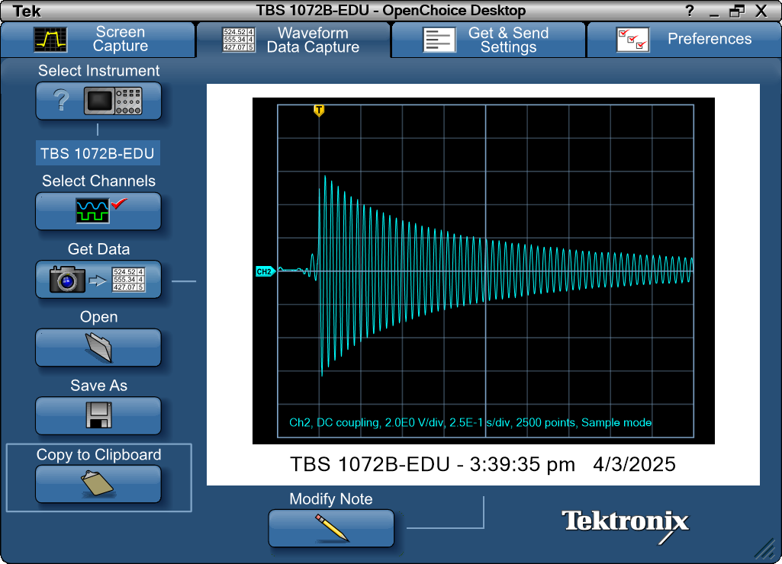
Record Length | 2500 | Points | -0.25 | 0.08
Sample Interval | 0.001 | s | -0.249 | 0.08
Trigger Point | 249.999988 | Samples | -0.248 | 0.08
 |  |  | -0.247 | 0.08
 |  |  | -0.246 | 0.08
 |  |  | -0.245 | 0.08
Source | CH2 |  | -0.244 | 0.08
Vertical Units | Volts |  | -0.243 | 0.16
Vertical Scale | 2 |  | -0.242 | 0.16
Vertical Offset | 0 |  | -0.241 | 0.16
Horizontal Units | s |  | -0.24 | 0.24
Horizontal Scale | 2.50E-01 |  | -0.239 | 0.16
Pt Fmt | Y |  | -0.238 | 0.24
Yzero | 0 |  | -0.237 | 0.16
Probe Atten | 10 |  | -0.236 | 0.24
 |  |  | -0.235 | 0.24
Note | TBS 1072B-EDU - 3:39:35 pm 4/3/2025 |  | -0.234 | 0.24
 |  |  | -0.233 | 0.24
 |  |  | -0.232 | 0.24
 |  |  | -0.231 | 0.24
 |  |  | -0.23 | 0.24
 |  |  | -0.229 | 0.24
 |  |  | -0.228 | 0.16
 |  |  | -0.227 | 0.16
 |  |  | -0.226 | 0.16
 |  |  | -0.225 | 0.16
 |  |  | -0.224 | 0.16
 |  |  | -0.223 | 0.08
 |  |  | -0.222 | 0.16
 |  |  | -0.221 | 0.08
 |  |  | -0.22 | 0.08
 |  |  | -0.219 | 0.08
 |  |  | -0.218 | 0.08
 |  |  | -0.217 | 0.08
 |  |  | -0.216 | 0
 |  |  | -0.215 | 0.08
 |  |  | -0.214 | 0.08
 |  |  | -0.213 | 0.08
 |  |  | -0.212 | 0.08
 |  |  | -0.211 | 0.08
 |  |  | -0.21 | 0.08
 |  |  | -0.209 | 0.08
 |  |  | -0.208 | 0.08
 |  |  | -0.207 | 0.08
 |  |  | -0.206 | 0.08
 |  |  | -0.205 | 0.08
 |  |  | -0.204 | 0.08
 |  |  | -0.203 | 0
...

